1. How to Complete (Scroll→)
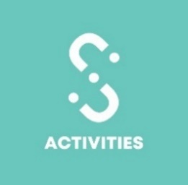

Student Group Master Risk Assessment Details 2025-2026
How to Complete the MRA

Introduction
The successful completion and submission of the Student Group Master Risk Assessment (MRA) is mandatory to be affilitated with the University of Leicester Students' Union. As an elected committee member you have a duty of care to look after the safety of your members. Your committee will need to show that all possible risks pertaining to the activities of your Student Group have been considered and that achievable methods have been put in place to lower the risk to both your members and any other attendees.

When should I submit the MRA?
The Master Risk assessment should be submitted once a year as part of your Affiliation process for all regular activities your group holds. For example, if you run a Sports group you are likely to have regular trainings but also socials and occasionally a trip to another part of the country to compete. For each of these different events you should ensure that they are covered under your MRA but must resubmit your Risk Assessment when holding an event not covered under the MRA.

Instructions
1) Look through the tabs 'Example - Off Campus Event' , 'Example - Online Event', "Impact Guide" for ideas on how a risk assessment should be completed - hover over the different sections for some top tips! (Look for the red triangle in the corner of the cell) 2) Think about the activities your Student Group plans to run in an academic year, fill in the Activities Overview tab and create & fill in the relevant 'Activity' tabs. Come up with Hazards and Controls and thinking how you can prevent them happening/lessen the risk. Use the 'Example Hazards and Controls' for assistance! You might want to consider large events, travel, on campus activity and off campus activity, food orientated events. 3) Fill in the Student Group Declaration tab including the Basic Information and Declaration Please Note: We require a minimum of 3 different risks (hazards) identified for a minimum of 2 different activity types (tabs), but please note that larger events will be expected to have more hazards identified. We will refer your assessment for resubmission if the assessment is deemed insufficient

 | All tabs should be tailored for a specific event or type of activities - Make sure you fill in the "NAME" of your activity

Need assistance?
If you need some help, read through our 'Student Group Affiliation' handbook or get in touch at unionactivities@le.ac.uk

Impact Guide
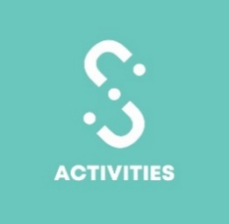

Student Group Master Risk Assessment Details 2025- 2026
Hazard Impact Guide - Example Hazards

Nature of Hazard | Impact Rating 1 (Insignificant) | Impact Rating 2 | Impact Rating 3 | Impact Rating 4 | Impact Rating 5
Injury | Scratch, Bruise | First Aid | Medical Treatment | Broken Bones, Serious Injury | Death, Permanent Loss
Reputation | Rumours | Student Group Impact | University Impact | Local Community Impact | National Impact
Financial | Possible financial loss <£10 | Possible financial loss >£100 | Possible financial loss >£250 | Possible financial loss >£500 | Possible financial loss >£1000

Student Group Declaration
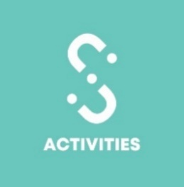
Student Group Master Risk Assessment Declaration 2025-2026
Please complete and return to unionactivities@le.ac.uk by July 31st 2025

 | Group Information
 | To Complete ò
Student Group Name:
Full Names of All Committee Members, who are responsible for writing and implementing this assessment:

Date Written and Finalised:
Name of Committee Member Submitting:
Committee Position:
Please confirm that while you are submitting this assessment, all committee members are fully aware of and understand this assessment:

 | Master Risk Assessment Declaration
 |  | Signature
We understand that my Student Group must resubmit this form with new risk assessments if an event that is not included in the given example categories
We understand that it is the Student Group Committee's responsibility to abide by the controls outlined in this risk assessment and will not be allowed to organise the activity without a relevant filled assessment
We understand that if the Student Group holds an event not covered by this risk assessment and does not submit a new one, the event will not be covered by the Students' Union public liability insurance, and the committee may be liable for any damages, costs or compensation as a result of any incidents.

 | To be Completed by Activities & Volunteering Team ò
Date Reviewed (Staff Complete)
Reviewed by:

